Sheet1
 | Insertion_sort |  | Merge_sort
Size | ExecutionTime1 | Comparisons1 | ExecutionTime2 | Comparisons2
0 | 0 | 0 | 0 | 0
1 | 1084 | 0 | 125 | 0 | 1084 | 2.2554290596 | #DIV/0! | 9.4537249073
2 | 2709 | 1 | 3042 | 0 | 677.25 |  | 1521
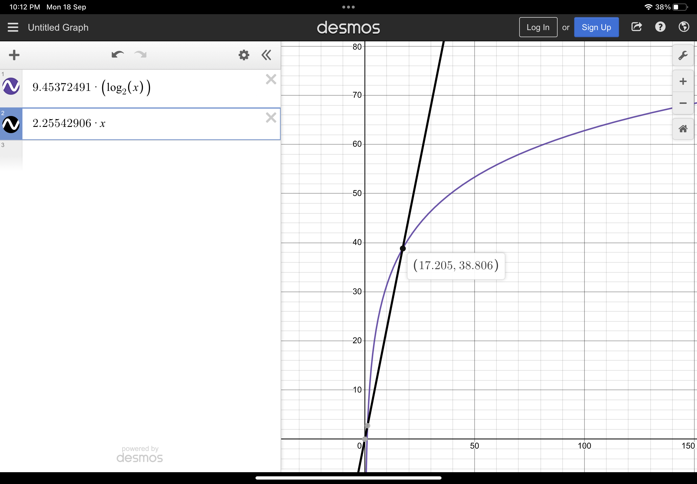
3 | 958 | 0 | 1791 | 3 | 106.44444444 |  | 376.66506288
4 | 583 | 4 | 459 | 1 | 36.4375 |  | 57.375
5 | 1417 | 5 | 2209 | 4 | 56.68 |  | 190.27290336
6 | 542 | 10 | 1084 | 5 | 15.055555556 |  | 69.891407174
7 | 2083 | 7 | 2791 | 7 | 42.510204082 |  | 142.02489417
8 | 1584 | 8 | 1834 | 10 | 24.75 |  | 76.416666667
9 | 834 | 18 | 1625 | 12 | 10.296296296 |  | 56.958936086
10 | 875 | 22 | 3667 | 13 | 8.75 |  | 110.38769941
11 | 1208 | 27 | 1625 | 13 | 9.9834710744 |  | 42.702758433
12 | 167 | 30 | 625 | 17 | 1.1597222222 |  | 14.528278419
13 | 916 | 37 | 1459 | 23 | 5.4201183432 |  | 30.329035947
14 | 2208 | 39 | 2375 | 19 | 11.265306122 |  | 44.556617551
15 | 875 | 49 | 1667 | 25 | 3.8888888889 |  | 28.445468491
16 | 334 | 57 | 667 | 26 | 1.3046875 |  | 10.421875
17 | 708 | 49 | 1542 | 31 | 2.4498269896 |  | 22.191243291
18 | 375 | 53 | 2417 | 38 | 1.1574074074 |  | 32.201485094
19 | 1292 | 96 | 2250 | 28 | 3.5789473684 |  | 27.87737132
20 | 583 | 98 | 875 | 32 | 1.4575 |  | 10.122796826
21 | 834 | 100 | 2042 | 34 | 1.8911564626 |  | 22.138221326
22 | 1125 | 116 | 3166 | 36 | 2.3243801653 |  | 32.270724885
23 | 458 | 125 | 1584 | 44 | 0.86578449905 |  | 15.224631803
24 | 375 | 158 | 1125 | 37 | 0.65104166667 |  | 10.223638687
25 | 792 | 152 | 2500 | 48 | 1.2672 |  | 21.533827904
26 | 500 | 150 | 1167 | 56 | 0.73964497041 |  | 9.5490247883
27 | 708 | 175 | 1792 | 51 | 0.97119341564 |  | 13.958347141
28 | 1708 | 150 | 2416 | 57 | 2.1785714286 |  | 17.948688142
29 | 1625 | 233 | 3000 | 60 | 1.9322235434 |  | 21.29449991
30 | 1500 | 190 | 2667 | 57 | 1.6666666667 |  | 18.117379686
31 | 3083 | 254 | 4833 | 53 | 3.2081165453 |  | 31.468923724
32 | 541 | 206 | 1333 | 62 | 0.5283203125 |  | 8.33125
33 | 1709 | 296 | 4042 | 70 | 1.5693296602 |  | 24.281379604
34 | 875 | 235 | 1834 | 72 | 0.75692041522 |  | 10.602765692
35 | 1083 | 308 | 2875 | 73 | 0.88408163265 |  | 16.014491084
36 | 667 | 295 | 1542 | 75 | 0.51466049383 |  | 8.2850976216
37 | 1625 | 287 | 3500 | 82 | 1.1869978086 |  | 18.158257298
38 | 2125 | 286 | 4125 | 91 | 1.4716066482 |  | 20.68485727
39 | 1875 | 282 | 4000 | 90 | 1.2327416174 |  | 19.405165079
40 | 1750 | 371 | 2667 | 95 | 1.09375 |  | 12.528354162
41 | 1875 | 431 | 4417 | 95 | 1.1154074955 |  | 20.108382938
42 | 875 | 453 | 2042 | 94 | 0.49603174603 |  | 9.0163549003
43 | 2042 | 450 | 4583 | 96 | 1.1043807463 |  | 19.641760984
44 | 1333 | 514 | 2125 | 99 | 0.68853305785 |  | 8.8462422316
45 | 2750 | 484 | 3333 | 100 | 1.3580246914 |  | 13.486643828
46 | 875 | 468 | 2541 | 111 | 0.41351606805 |  | 10.000635618
47 | 625 | 499 | 2000 | 101 | 0.28293345405 |  | 7.6609075173
48 | 833 | 512 | 3125 | 113 | 0.36154513889 |  | 11.657046338
49 | 666 | 538 | 2416 | 117 | 0.27738442316 |  | 8.7815975924
50 | 2250 | 572 | 4125 | 111 | 0.9 |  | 14.617665161
51 | 1416 | 611 | 2666 | 113 | 0.54440599769 |  | 9.2155483153
52 | 750 | 663 | 2125 | 111 | 0.27736686391 |  | 7.1688126945
53 | 1958 | 772 | 4542 | 118 | 0.69704521182 |  | 14.961470552
54 | 3666 | 750 | 5417 | 129 | 1.2572016461 |  | 17.431238191
55 | 2250 | 784 | 3667 | 139 | 0.74380165289 |  | 11.532360997
56 | 958 | 774 | 2667 | 129 | 0.30548469388 |  | 8.2008075344
57 | 916 | 821 | 2458 | 135 | 0.28193290243 |  | 7.3930430563
58 | 1084 | 918 | 3250 | 149 | 0.32223543401 |  | 9.5654941191
59 | 917 | 806 | 2792 | 151 | 0.26343004884 |  | 8.0443490284
60 | 916 | 892 | 3125 | 140 | 0.25444444444 |  | 8.8173858124
61 | 1083 | 905 | 2750 | 149 | 0.2910507928 |  | 7.6014101868
62 | 1292 | 897 | 3417 | 159 | 0.3361082206 |  | 9.2561448016
63 | 1958 | 1154 | 3625 | 143 | 0.49332325523 |  | 9.6263991776
64 | 1125 | 847 | 4375 | 158 | 0.27465820312 |  | 11.393229167
65 | 1333 | 997 | 3583 | 170 | 0.31550295858 |  | 9.1530571753
66 | 958 | 1083 | 2709 | 161 | 0.21992653811 |  | 6.7906648268
67 | 1583 | 928 | 3542 | 169 | 0.35263978614 |  | 8.7149512613
68 | 1666 | 1190 | 3833 | 160 | 0.36029411765 |  | 9.2596289339
69 | 1625 | 1106 | 5833 | 183 | 0.34131484982 |  | 13.839059249
70 | 2000 | 1273 | 5625 | 191 | 0.40816326531 |  | 13.110365867
71 | 3625 | 1185 | 7625 | 182 | 0.71910335251 |  | 17.463216635
72 | 2417 | 1302 | 6542 | 195 | 0.46624228395 |  | 14.726453091
73 | 1042 | 1179 | 3542 | 189 | 0.19553387127 |  | 7.8387598039
74 | 1125 | 1191 | 4000 | 189 | 0.20544192841 |  | 8.7051227976
75 | 1167 | 1405 | 4458 | 198 | 0.20746666667 |  | 9.5427404382
76 | 1292 | 1475 | 3625 | 192 | 0.22368421053 |  | 7.634110402
77 | 1834 | 1410 | 5250 | 200 | 0.3093270366 |  | 10.87986925
78 | 1292 | 1438 | 3375 | 201 | 0.21236028928 |  | 6.8840830328
79 | 2541 | 1598 | 5834 | 210 | 0.40714629066 |  | 11.71489051
80 | 2375 | 1455 | 5042 | 222 | 0.37109375 |  | 9.969268719
81 | 1833 | 1723 | 5000 | 229 | 0.27937814358 |  | 9.7365702712
82 | 1625 | 1826 | 3667 | 242 | 0.24167162403 |  | 7.0340772931
83 | 2000 | 1683 | 4542 | 228 | 0.2903178981 |  | 8.5839298965
84 | 2083 | 1633 | 4125 | 227 | 0.29520975057 |  | 7.6822128204
85 | 3875 | 1559 | 8125 | 233 | 0.53633217993 |  | 14.913778274
86 | 2833 | 1793 | 5958 | 240 | 0.38304488913 |  | 10.780612442
87 | 3083 | 1900 | 6458 | 231 | 0.40731932884 |  | 11.521113774
88 | 2417 | 2257 | 6917 | 249 | 0.31211260331 |  | 12.168605129
89 | 2708 | 1871 | 7417 | 236 | 0.34187602575 |  | 12.869133595
90 | 1792 | 2156 | 4209 | 241 | 0.2212345679 |  | 7.2039009467
91 | 2250 | 2164 | 6333 | 265 | 0.27170631566 |  | 10.69385413
92 | 3042 | 2352 | 6334 | 256 | 0.35940453686 |  | 10.553716904
93 | 2209 | 2354 | 5416 | 242 | 0.25540524916 |  | 8.9058181369
94 | 2833 | 2164 | 6750 | 242 | 0.32062019013 |  | 10.955456134
95 | 7584 | 2111 | 7084 | 264 | 0.84033240997 |  | 11.350085222
96 | 3083 | 2218 | 6833 | 264 | 0.33452690972 |  | 10.809033966
97 | 3125 | 1953 | 6084 | 265 | 0.33212881284 |  | 9.5034057243
98 | 1792 | 2183 | 4167 | 293 | 0.18658892128 |  | 6.4281592338
99 | 2917 | 2541 | 6292 | 265 | 0.29762269156 |  | 9.5869869729
100 | 3000 | 2251 | 6709 | 275 | 0.3 |  | 10.098051205
101 | 2500 | 2756 | 6042 | 291 | 0.24507401235 |  | 8.9846623726
102 | 3208 | 2355 | 10292 | 296 | 0.30834294502 |  | 15.122231514
103 | 2541 | 2294 | 5792 | 304 | 0.23951362051 |  | 8.4099312458
104 | 3375 | 2512 | 9292 | 299 | 0.31203772189 |  | 13.334371714
105 | 2833 | 2699 | 6416 | 299 | 0.25696145125 |  | 9.1007637037
106 | 2083 | 2731 | 4666 | 300 | 0.18538625845 |  | 6.5427152746
107 | 2750 | 2640 | 7000 | 296 | 0.24019565028 |  | 9.7042024947
108 | 4583 | 2767 | 8750 | 299 | 0.39291838134 |  | 11.994058893
109 | 3375 | 3163 | 8208 | 313 | 0.28406699773 |  | 11.125990174
110 | 3125 | 3328 | 8208 | 298 | 0.25826446281 |  | 11.003424825
111 | 3083 | 3014 | 7000 | 332 | 0.25022319617 |  | 9.2816018777
112 | 2667 | 3011 | 7667 | 327 | 0.21261160714 |  | 10.056087559
113 | 2375 | 2991 | 6917 | 331 | 0.1859973373 |  | 8.9751881465
114 | 3958 | 3253 | 8042 | 322 | 0.30455524777 |  | 10.324161446
115 | 4083 | 3548 | 7750 | 333 | 0.30873345936 |  | 9.8446281926
116 | 3208 | 3499 | 7125 | 343 | 0.23840665874 |  | 8.9563406251
117 | 2166 | 2901 | 5709 | 345 | 0.15822923515 |  | 7.1022243777
118 | 3291 | 3513 | 16500 | 351 | 0.23635449583 |  | 20.316396982
119 | 3250 | 3712 | 6875 | 349 | 0.22950356613 |  | 8.3792075769
120 | 3417 | 3808 | 8708 | 348 | 0.23729166667 |  | 10.506416116
121 | 3583 | 3741 | 7500 | 348 | 0.24472372106 |  | 8.9586206503
122 | 2500 | 3874 | 5292 | 356 | 0.16796560064 |  | 6.2586485489
123 | 4166 | 4149 | 8541 | 351 | 0.27536519268 |  | 10.00199918
124 | 2625 | 4261 | 6125 | 352 | 0.17072060354 |  | 7.1029288052
125 | 2750 | 3561 | 5667 | 379 | 0.176 |  | 6.5083841456
126 | 2667 | 3666 | 7958 | 357 | 0.16798941799 |  | 9.0520562241
127 | 3375 | 4345 | 7292 | 361 | 0.2092504185 |  | 8.2157552398
128 | 4000 | 4070 | 8500 | 365 | 0.244140625 |  | 9.4866071429
129 | 3792 | 4149 | 7833 | 376 | 0.22787092122 |  | 8.6605280389
130 | 3542 | 4153 | 7375 | 367 | 0.20958579882 |  | 8.0785812907
131 | 3083 | 4347 | 7292 | 374 | 0.17965153546 |  | 7.9142292629
132 | 3166 | 4246 | 7375 | 385 | 0.18170339761 |  | 7.9313012836
133 | 2541 | 4464 | 6250 | 404 | 0.14364859517 |  | 6.6606094983
134 | 3375 | 4430 | 8584 | 400 | 0.18795945645 |  | 9.0657929395
135 | 2542 | 4598 | 7833 | 402 | 0.139478738 |  | 8.1989167905
136 | 2750 | 4588 | 7291 | 424 | 0.14868079585 |  | 7.5641023196
137 | 3583 | 5452 | 9583 | 412 | 0.19089988811 |  | 9.8546899045
138 | 4333 | 4744 | 9958 | 428 | 0.22752572989 |  | 10.151110927
139 | 5416 | 4754 | 10000 | 427 | 0.28031675379 |  | 10.105779119
140 | 4208 | 4809 | 9708 | 427 | 0.21469387755 |  | 9.7264839926
141 | 3250 | 5410 | 7417 | 420 | 0.16347266234 |  | 7.3678070628
142 | 2875 | 4545 | 7000 | 439 | 0.14258083714 |  | 6.8947577899
143 | 4291 | 5049 | 9250 | 446 | 0.20983911194 |  | 9.0344241737
144 | 3041 | 5073 | 8041 | 435 | 0.14665316358 |  | 7.7881257847
145 | 2750 | 5368 | 7333 | 460 | 0.13079667063 |  | 7.0436008533
146 | 2833 | 5396 | 6709 | 454 | 0.1329048602 |  | 6.3912623205
147 | 3084 | 5548 | 8125 | 456 | 0.14271831181 |  | 7.6770311476
148 | 2792 | 5637 | 6500 | 456 | 0.12746530314 |  | 6.0918514472
149 | 2750 | 4636 | 6833 | 452 | 0.12386829422 |  | 6.3524019799
150 | 3583 | 5853 | 9875 | 465 | 0.15924444444 |  | 9.107066611
151 | 4250 | 5809 | 11375 | 471 | 0.18639533354 |  | 10.407144743
152 | 2792 | 5283 | 6708 | 489 | 0.12084487535 |  | 6.0888548989
153 | 5083 | 5844 | 11166 | 473 | 0.21713870733 |  | 10.056013781
154 | 3041 | 6418 | 6500 | 489 | 0.12822567043 |  | 5.8083159553
155 | 3000 | 5525 | 6666 | 495 | 0.12486992716 |  | 5.9106262094
156 | 3042 | 6224 | 6375 | 507 | 0.125 |  | 5.6092146168
157 | 3083 | 6295 | 6791 | 499 | 0.12507606799 |  | 5.9296814131
158 | 3333 | 6806 | 7375 | 496 | 0.13351225765 |  | 6.3908291882
159 | 3417 | 5605 | 8625 | 492 | 0.13516079269 |  | 7.4177698933
160 | 3042 | 6385 | 6583 | 496 | 0.118828125 |  | 5.6192507584
161 | 3250 | 6657 | 6917 | 502 | 0.12538096524 |  | 5.8604856164
162 | 3333 | 6566 | 8000 | 524 | 0.12700045725 |  | 6.7280279611
163 | 3125 | 6112 | 7917 | 511 | 0.11761827694 |  | 6.6093820764
164 | 3334 | 6599 | 7667 | 520 | 0.123958953 |  | 6.3540155708
165 | 3750 | 6547 | 9250 | 523 | 0.13774104683 |  | 7.6103928704
166 | 4042 | 6896 | 9000 | 537 | 0.14668311801 |  | 7.3514003518
167 | 4667 | 6886 | 10542 | 532 | 0.16734196278 |  | 8.5493332347
168 | 4041 | 7398 | 8083 | 529 | 0.14317602041 |  | 6.5085266888
169 | 5458 | 7344 | 10292 | 530 | 0.19109975141 |  | 8.2286718502
170 | 3125 | 6430 | 7250 | 542 | 0.10813148789 |  | 5.7558116708
171 | 3542 | 7480 | 7500 | 565 | 0.12113128826 |  | 5.9127151739
172 | 3583 | 7962 | 7625 | 543 | 0.12111276366 |  | 5.9695414604
173 | 3708 | 7938 | 7500 | 576 | 0.12389321394 |  | 5.8311727001
174 | 3459 | 7262 | 7625 | 578 | 0.11424891003 |  | 5.8877027758
175 | 3625 | 7511 | 8166 | 587 | 0.11836734694 |  | 6.2624526996
176 | 3791 | 8474 | 7666 | 562 | 0.12238507231 |  | 5.8391604627
177 | 4250 | 8245 | 8542 | 573 | 0.13565705895 |  | 6.4625650996
178 | 3833 | 7095 | 8750 | 562 | 0.12097588688 |  | 6.5755826936
179 | 4583 | 7768 | 10208 | 558 | 0.14303548578 |  | 7.6201679275
180 | 3875 | 8201 | 13541 | 589 | 0.11959876543 |  | 10.041277747
181 | 5375 | 8274 | 10666 | 558 | 0.16406703092 |  | 7.8572516933
182 | 5875 | 8323 | 10583 | 585 | 0.17736384495 |  | 7.7450642213
183 | 3875 | 8405 | 7625 | 593 | 0.115709636 |  | 5.5439503391
184 | 3916 | 8829 | 9083 | 609 | 0.11566635161 |  | 6.5612712068
185 | 3833 | 8400 | 8292 | 611 | 0.11199415632 |  | 5.9513147563
186 | 4000 | 9014 | 10333 | 587 | 0.11562030293 |  | 7.3686952129
187 | 3791 | 8070 | 8208 | 607 | 0.10841030627 |  | 5.8160410698
188 | 3958 | 8448 | 8083 | 628 | 0.11198506111 |  | 5.6912006325
189 | 4459 | 9291 | 8500 | 623 | 0.12482853224 |  | 5.9471175943
190 | 3917 | 7860 | 9208 | 611 | 0.10850415512 |  | 6.4021244793
191 | 4500 | 8926 | 9333 | 634 | 0.1233518818 |  | 6.4486088163
192 | 4125 | 8899 | 9584 | 620 | 0.11189778646 |  | 6.5810037508
193 | 5000 | 9093 | 10583 | 639 | 0.13423179146 |  | 7.2221938988
194 | 5084 | 9228 | 11875 | 645 | 0.13508343076 |  | 8.0542160782
195 | 5584 | 10243 | 11125 | 636 | 0.14685075608 |  | 7.4995142446
196 | 5875 | 8939 | 11584 | 641 | 0.15293107039 |  | 7.7615617701
...

